3
3.a) | a'b'c' + abc + abc'd' + a'b'cd' + a'bc'd + a'bcd + ab'c'd
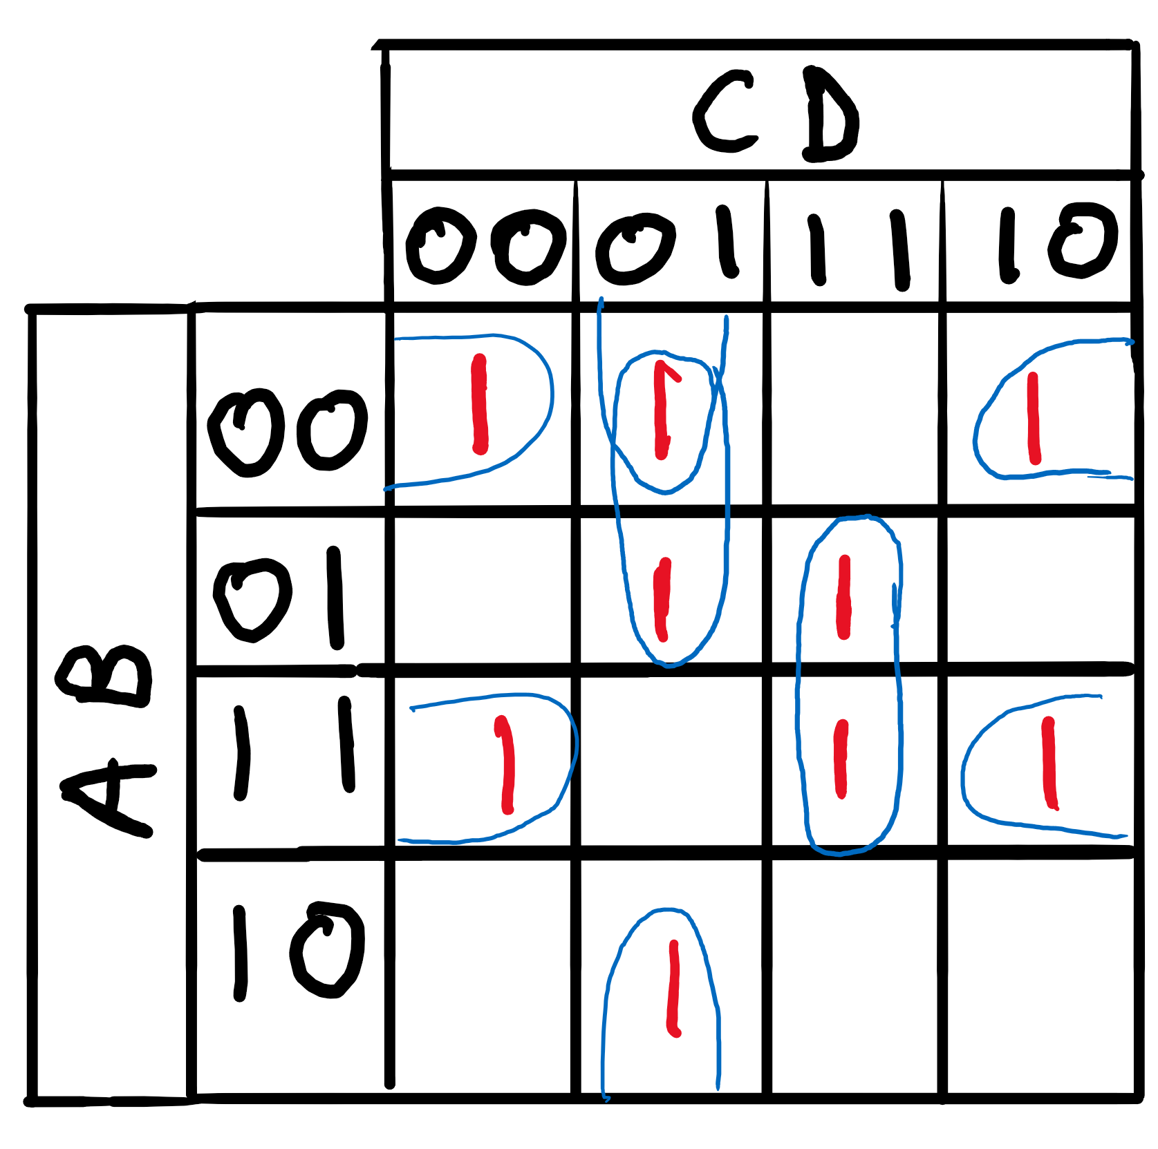

 | Output - a'b'd' + b'c'd + a'c'd + abd' + bcd

3.b) | a'b'c' + a'cd' + ac'd' + ab'c + a'b'cd + abcd' + ab'c'd + a'bc'd'
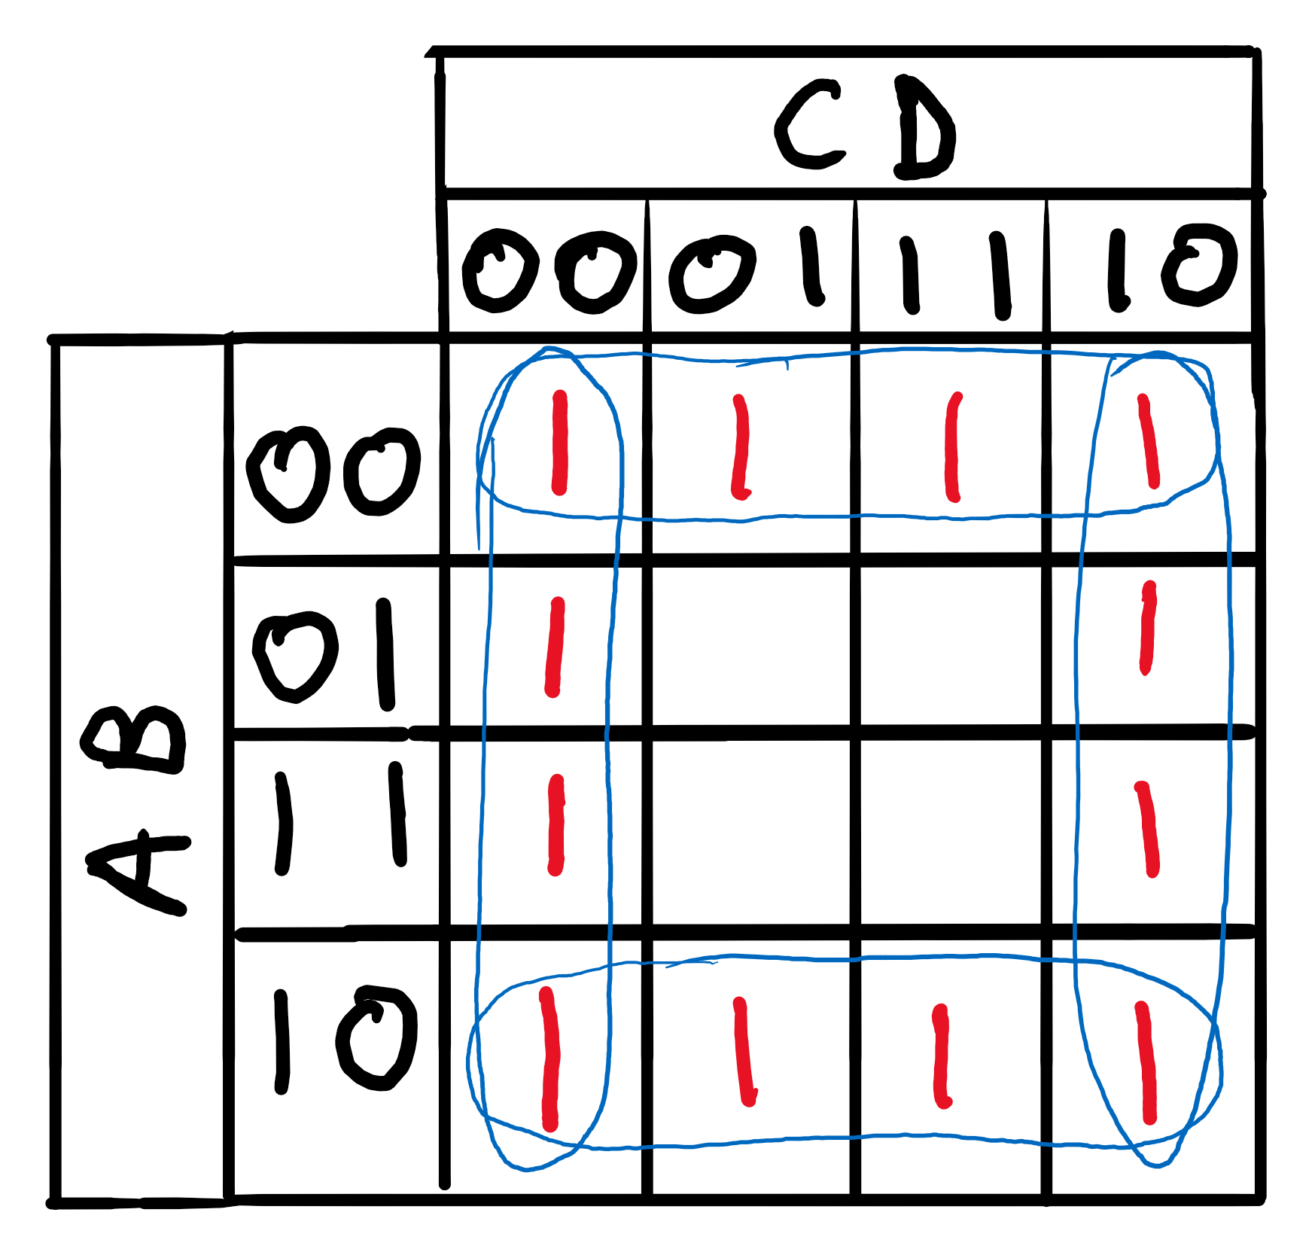

 | Output - c'd + a'b' + ab' + cd' = b' + d'

3.c) | cd + a'b'c'd' + a'b'c'd + ab'cd + a'bcd+ a'b'cd' + ab'c'd' + a'bc'd' + ab
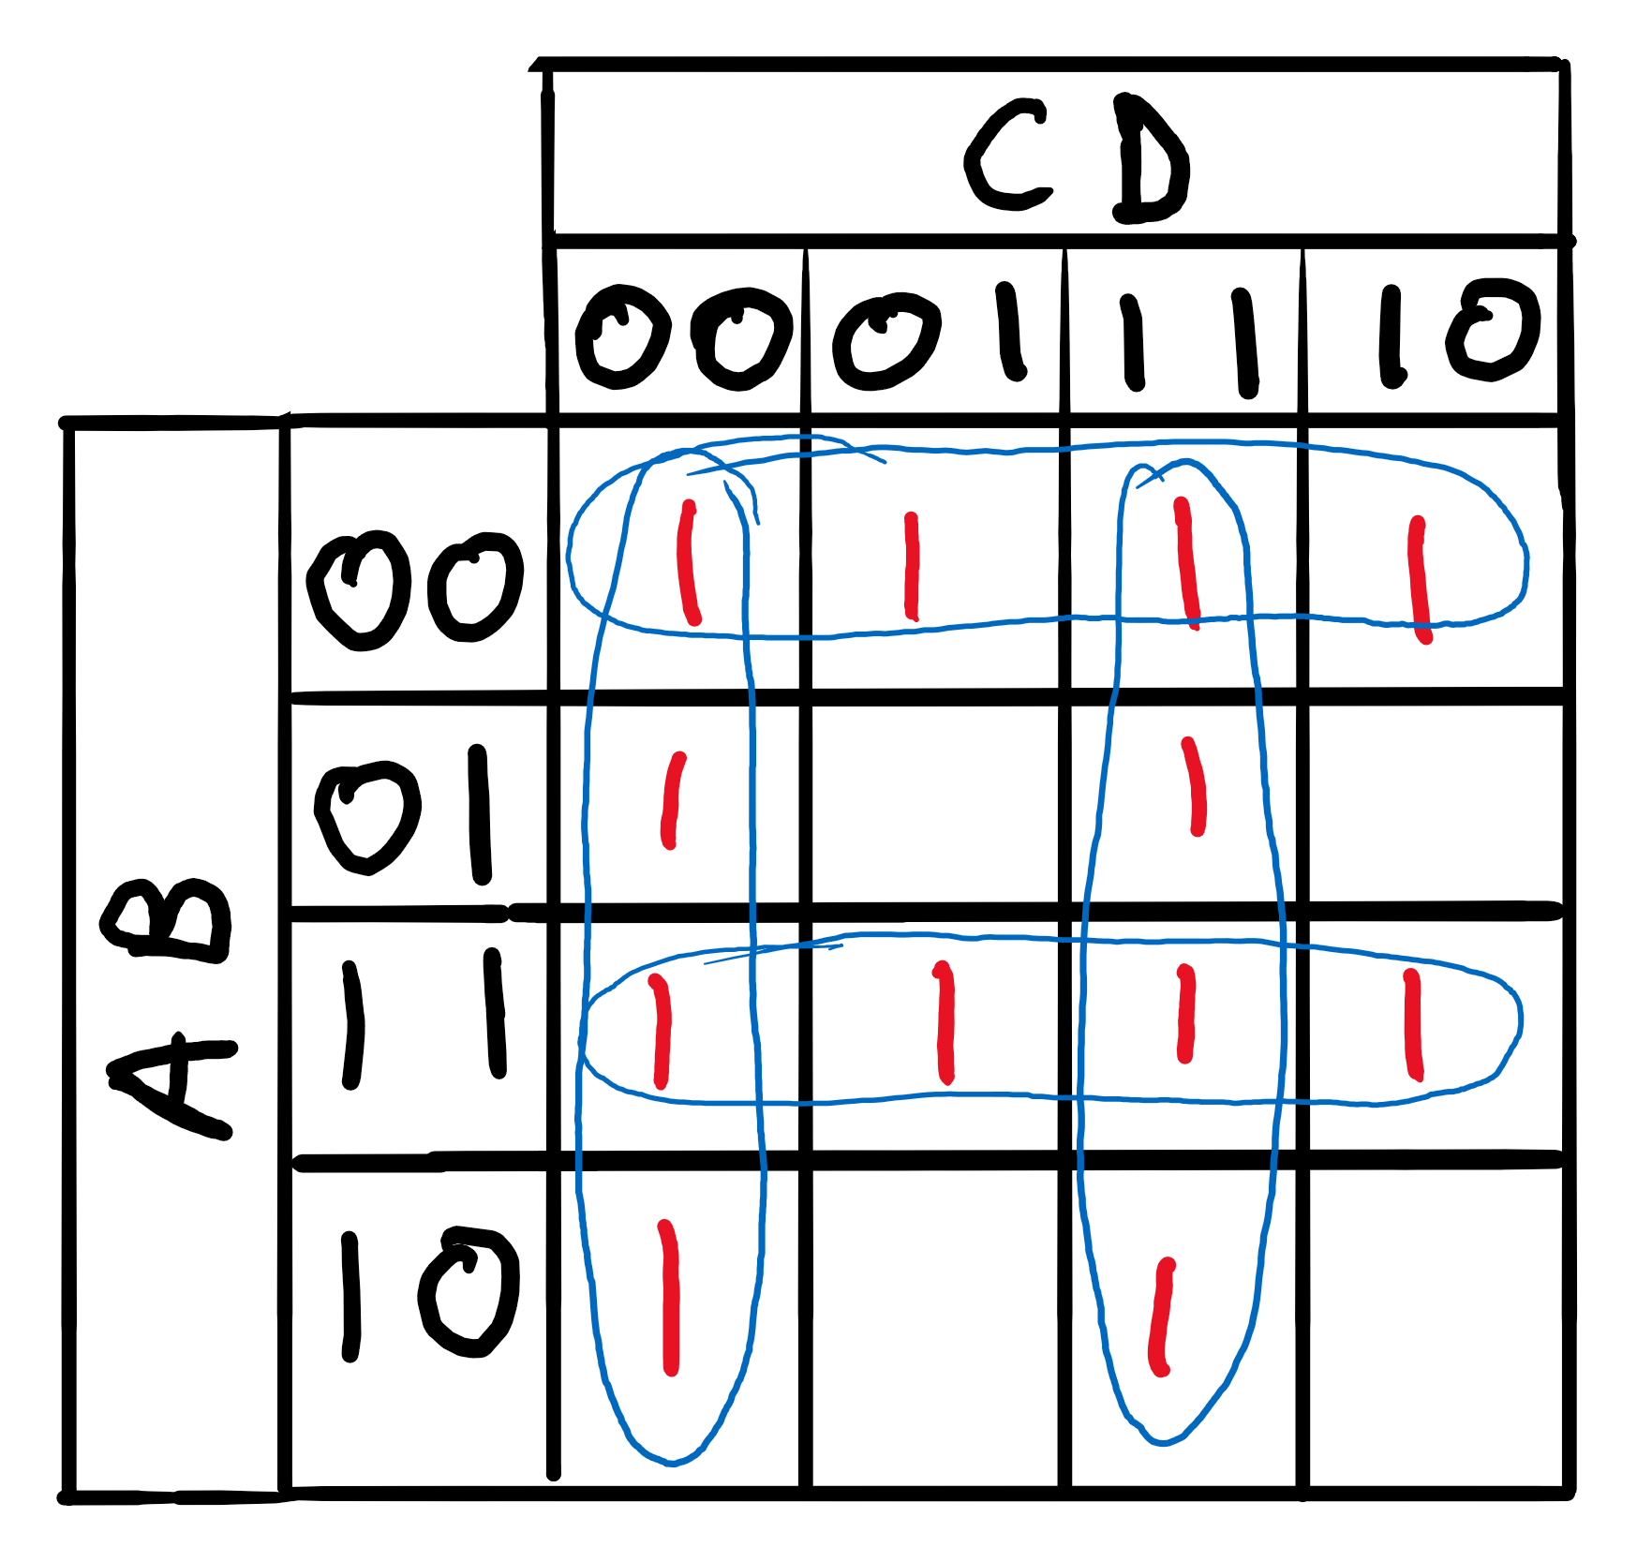

 | Output - a'b' + ab + c'd' + cd

3.d) | a'b'c'd + abcd + a'b'cd + abc'd + a'bc'd + ab'cd + a'bcd + ab'c'd
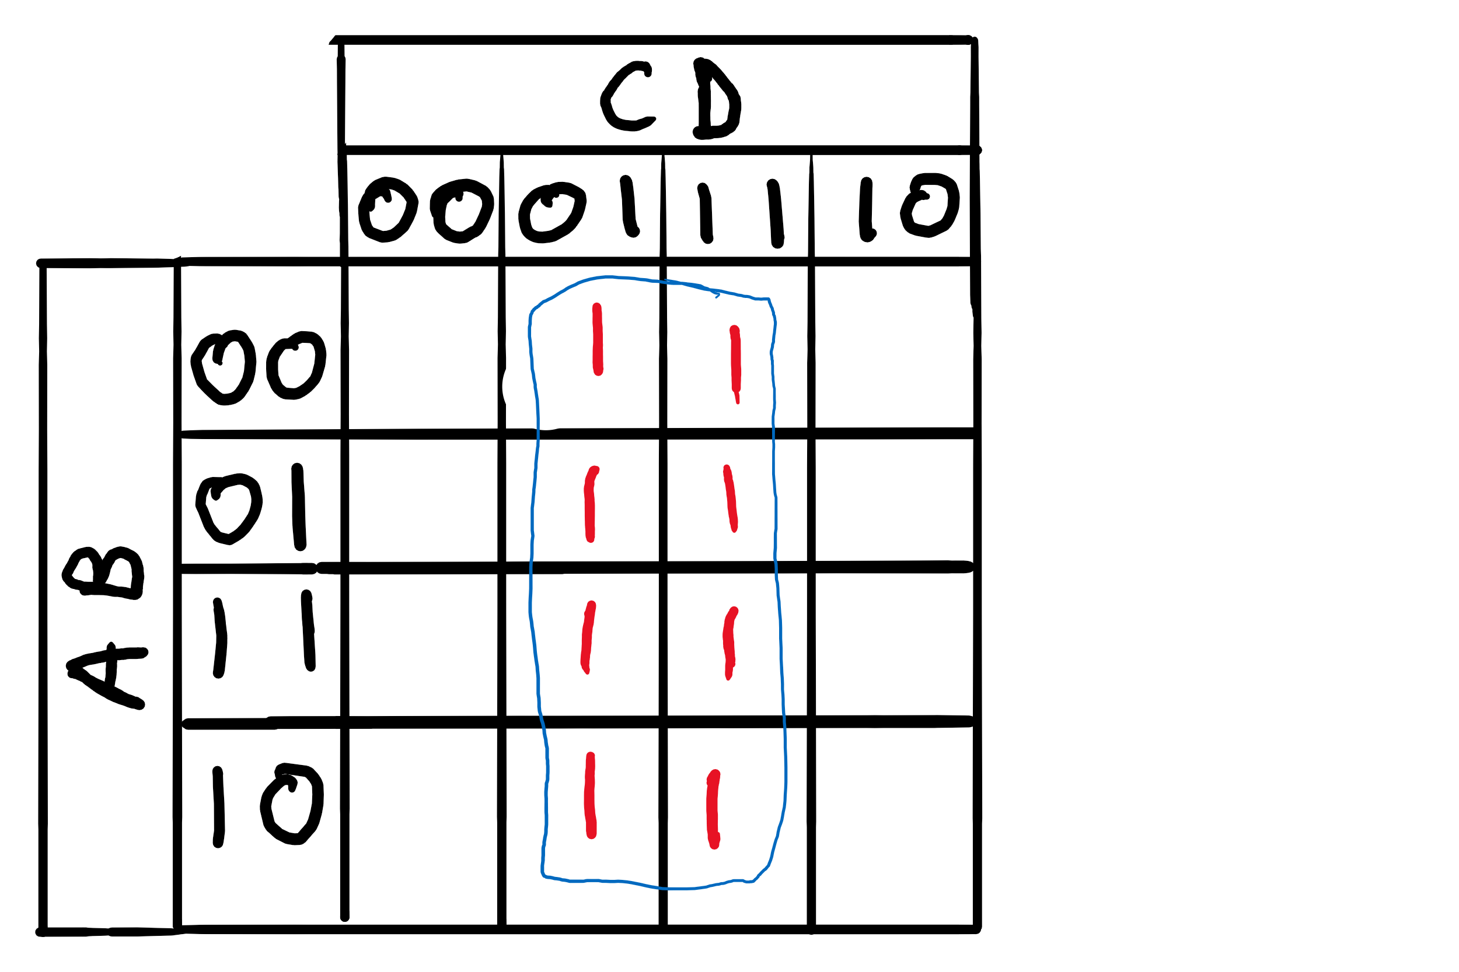

 | Output - d

